Sales Dashboard
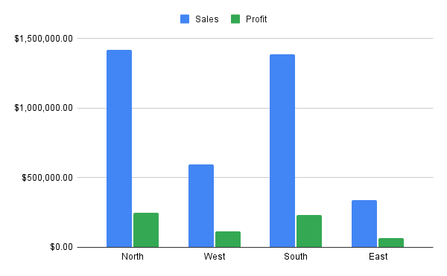
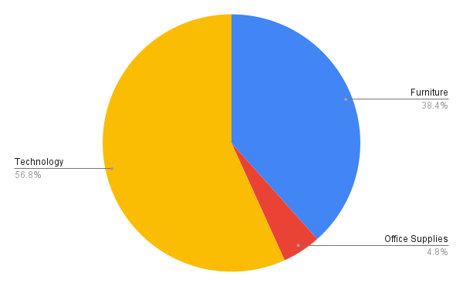
 |  | Sales Performance Dashboard (India Sales Data, 2023–2025)

Total Sales | Total Profit | Total Orders | Profit Margin
$3,742,439.63 | $662,605.18 | 500 | 17.71%

